Sheet1
 | Document No. | Issue No. |  | Issue Date |  |  | Review and Replace Date |  | Authorised By
 | GFF245MC | 2 |  | 12.11.2020 |  |  | 23.12.2021 |  | Magda Shah
 | Document Title | 10 Mushroom Bhaji 1000g - Deli Counter
Document amendments reason for change | Film Updated |  |  | Page 1 of 1 |  | Previous Issue Date |  | 12.11.2020 | Uncontrolled copy unless signed original

CMBH-B10TEB | BOOTHS - DELI |  | MUSHROOM BHAJI 1000G | CHILLED
STEP 1 |  |  |  |  | STEP 2
 |  |  |  |  | 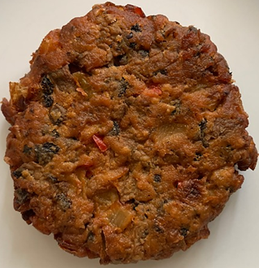

Tray: H320/60 -CLEAR (596) (PKNUT001-05) |  |  |  |  | 10 X MUSHROOM BHAJI 100G (GFF338R) 1000g
Film: PP340 AF 340mmx500m (PKPRO001-15)
STEP 3
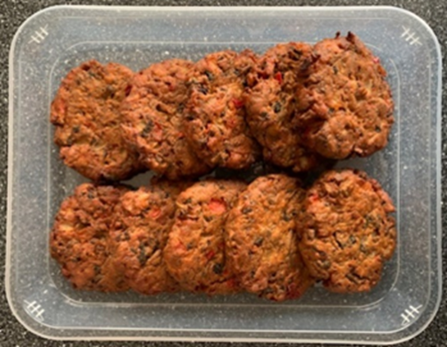

TOTAL WEIGHT: 1000g

ALLERGY ALERT: NONE

